Start Page
2017 |  | FEDERAL FIREFIGHTER PAY PROGRAM
Developed by Anthony J. Fanchi

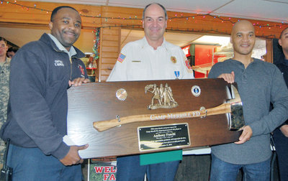

 |  | I don't need to read all this stuff! Take me to the pay charts!

This program is currently set-up for the year 2017 and covers the Rest of the United States locality / COLA area. It is designed to easily convert to any other locality/COLA, and can estimate annual raises. The file works with all firefighter schedules covered under the 1998 Pay Reform Act. The current schedules are 72 hours for shift firefighters and 60 hours for firefighters with an embedded 40 hour workweek.

The following sections will provide the information necessary to change or update the above settings.

NSPS PAY RETENTION & SPECIAL PAY RATES: For the firefighters who have pay retention after NSPS or earn a special rate base pay, a separate spreadsheet is included. This sheet allows users to manually enter their appropriate base pay. To enter your salary, first complete any applicable changes below, then proceed to the next spreadsheet, labeled "Pay Retention & Special Rates" for more info.

 |  |  |  |  | Pay Retention & Special Rates

WORK SCHEDULE: There are two main firefighter pay charts--one for 24 hour shift firefighters, and one for the firefighters who work a regular 40 hour workweek but also stay one night a week (Fire Chief, Fire Inspectors, etc). There are three main hourly schedules--72 hours a week, 60 hours, and 56 hours. There are also a few Firefighters who work 84 hours a week (168/pay period). Firefighters working less than 53 hours a week are not covered by these charts. To change an hourly schedule, click on the appropriate space below and select the new hours.

Shift Schedule: |  | 72

One night a week: |  | 60

Non-foreign Area Cost-of-Living Allowances: The Non-Foreign Area Retirement Equity Assurance Act of 2009 changed non-foreign areas such as Alaska, Hawaii, and the United States territories, e.g. Puerto Rico, Guam, U.S. Virgin Islands, etc. to Locality Pay. COLA will slowly be phased out as the individual Locality rates increase.

COLA vs. Post Differential: Some areas receive a Post Differential rather than a COLA, and it may be possible to receive both. When both rates apply, this program combines the two under one COLA rate, which is capped at 25%. If your actual rate(s) differs, you may manually enter the correct rate below.

Do you receive a Post Differential? |  |  |  | No

Changing Locality and/or COLA Rates: Click on the tab below to select from the list of all the locality areas. If you are unsure of your locality area, contact your payroll adviser for assistance. Once this information has been changed, the pay charts will automatically reflect the correct locality rates. If your actual rate(s) differs, you may manually enter the correct rate below.

Locality Rates are available in Schedule 9 of the Executive Order: |  |  |  |  |  |  |  | Locality Rates |  | COLA
Please note that actual COLA rates will be less than OPM has published due to the Locality transition.

Locality/COLA Area: |  | Rest of the United States |  |  |  |  | Set for Rest of US initially. Change as needed.

Locality Pay Rate: |  | 15.06% | COLA/Post Diff Rate: |  | 0.00% | Make sure the manual entries are blank if not applicable.

Manual Locality and COLA Rate Entry Forms

Locality Pay Rate: |  |  | COLA/Post Diff Rate: |  |  | Caution: These entries will replace the above rates.

ANNUAL RAISES: You can estimate future salaries in this section by entering annual raises in the blocks below. For simplicity, enter the combined rate for both the General Increase and the Locality increase. Please Note: The size of the raises will vary based on locality area. OPM will post all the combined rates. Updated programs should become available as official raises are approved.

Enter the raise below for the appropriate year. This file is initially set-up for the year 2017. When raises are entered, the year indicated on the pay charts should match the year of the latest raise.

YEAR | RAISE | YEAR | RAISE |  |  |  | Examples | YEAR | RAISE
2018 | 0.00% | 2019 | 0.00% |  |  |  |  | 2008 | 3.50
2020 | 0.00% | 2021 | 0.00% |  |  |  |  | 2009 | 3.90
2022 | 0.00% | 2023 | 0.00% |  |  |  |  | 2010 | 2.00
2024 | 0.00% | 2025 | 0.00% |  |  |  |  | 2011 | 0.00

SAVING YOUR CHANGES: If you are making temporary changes only, do not click save when you are done. When you exit, click "NO" when it asks you if you want to save the changes. This way the file will revert back to the original settings. If your changes are permanent, I recommend using the "SAVE AS" feature and then giving the new file a different name, such as the locality area. Again, this will preserve the original file in case there is a problem with the new one. It is always nice to have the original to fall back on.

FILE SPREADSHEETS: Once you have made any necessary adjustments, you can proceed to the pay charts. There are five spreadsheets altogether, the first being this "Start Page." The others are labeled "Pay Retention & Special Rates", "GS Pay Scale", "Shift Firefighters", "Chief, Training, Inspectors." To view a chart, click on the appropriate tab located along the bottom of the screen. Once you have the chart you want and have verified the settings are correct, you can print several hardcopies to hand out. If you need to make further changes, just return to the "Start Page" to enter the new settings.

.
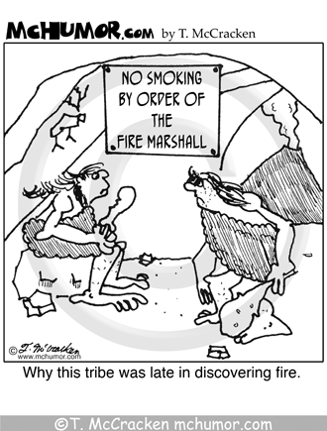
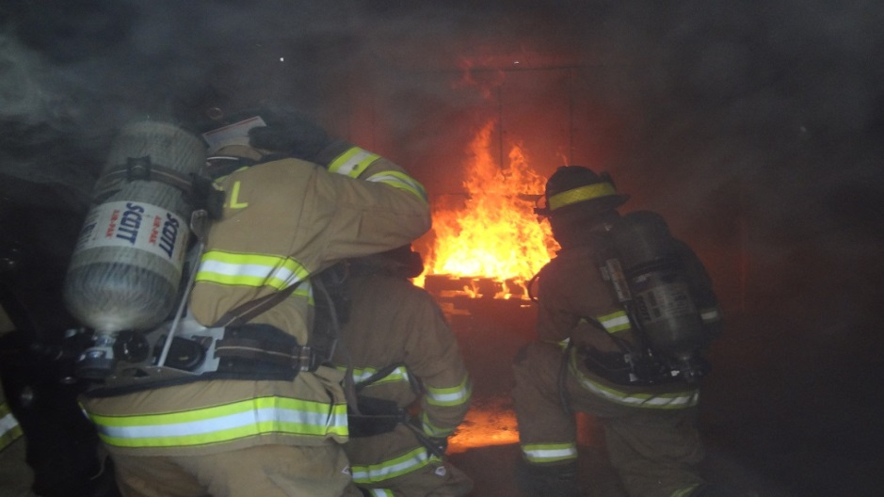

Shift Firefighters |  | Chief / Training / Inspectors

 | Return to Start Page

