.
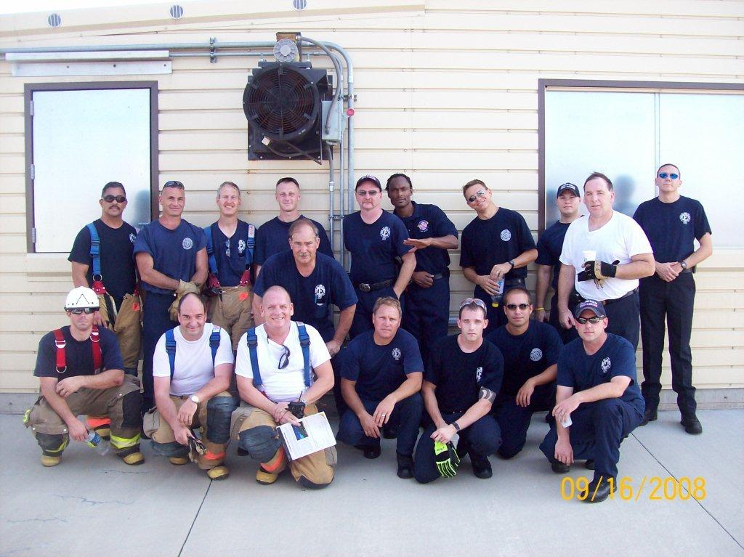
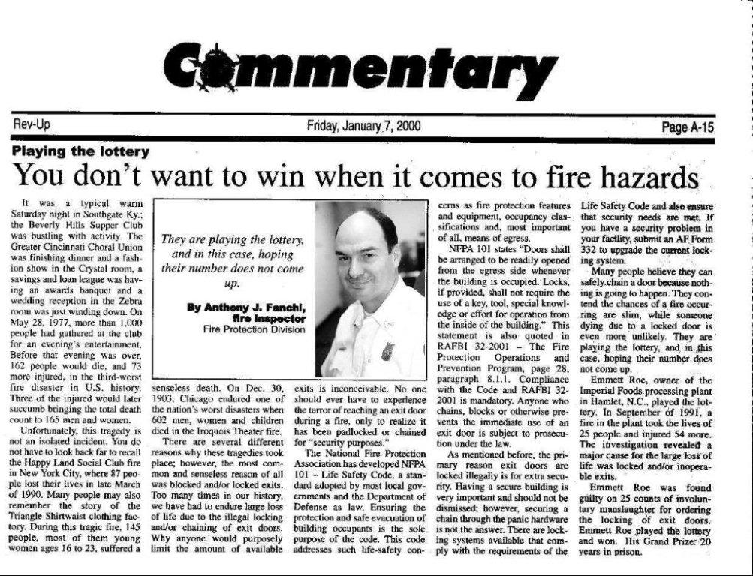

Shift Firefighters |  | Chief / Training / Inspectors

 | Return to Start Page

